2
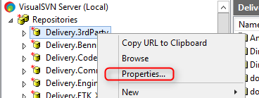 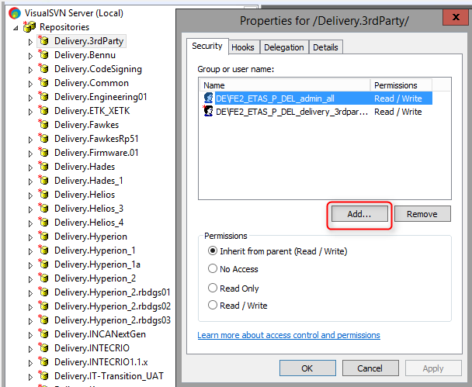 Step1: Send a mail to IT partner asking them to create AD groups for newly created repository. Please refer the below template. Hi IT Partner, Please create the below AD groups and add the users accordingly as mentioned in below email. Revert once done. FE2_ETAS_P_DEL_delivery_<Project_Name>_rw FE2_ETAS_P_DEL_delivery_<Project_Name>_ro Step2: Once IT Partner reverts back with the groups created, add those groups in the newly repository created. Right click on newly created repository --> properties and add the groups as shown in below screen shot.

3
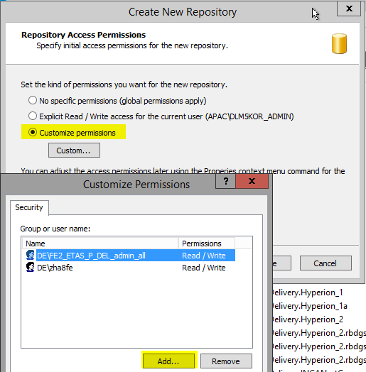
 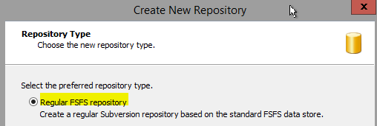 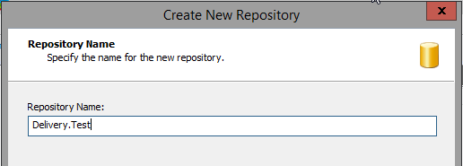 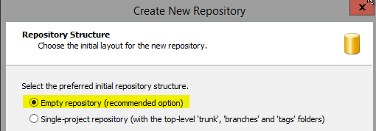 Step1: Right click "Repositories Tab --> Create New Repository" in Visual SVN Server Manager and follow the steps as shown in below diagram.

